Admin Use Case
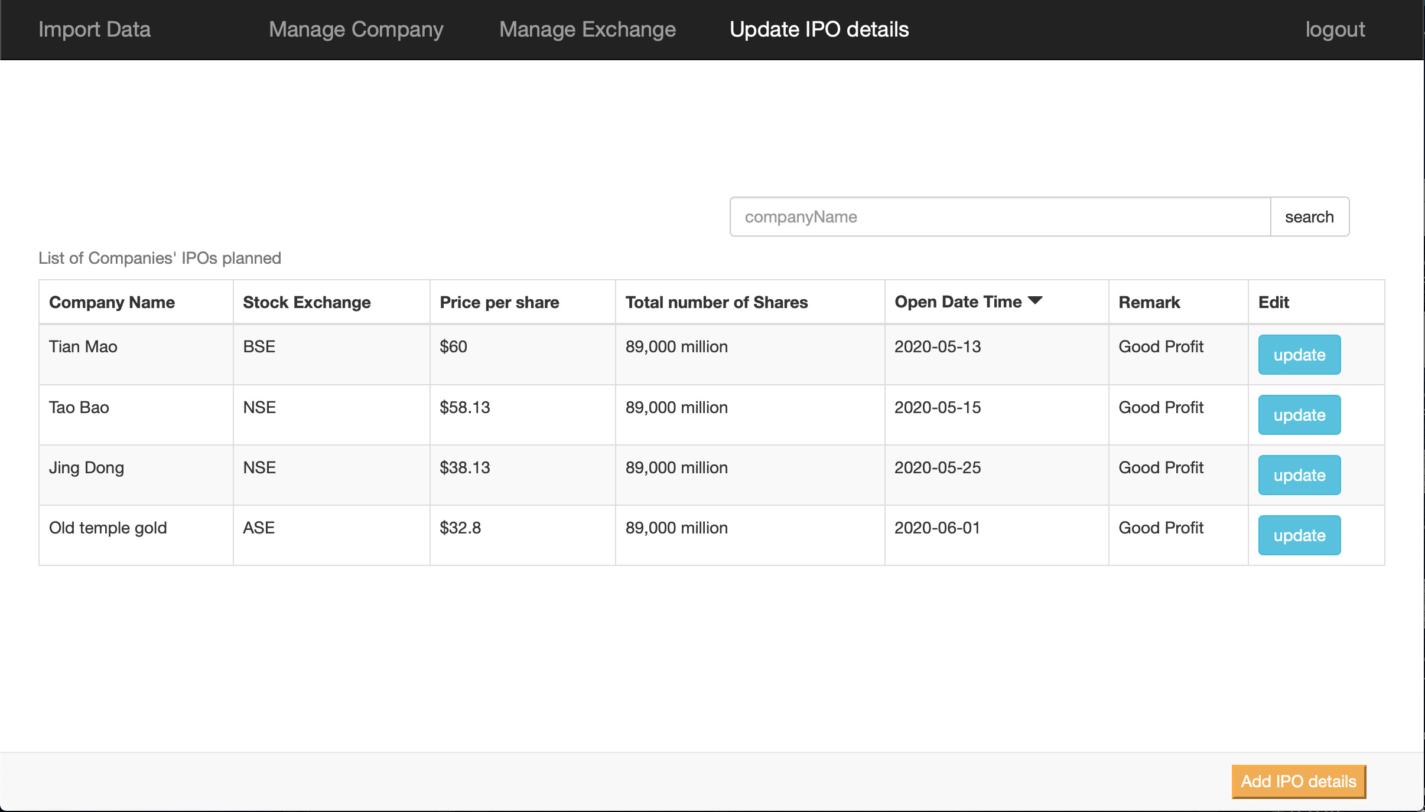
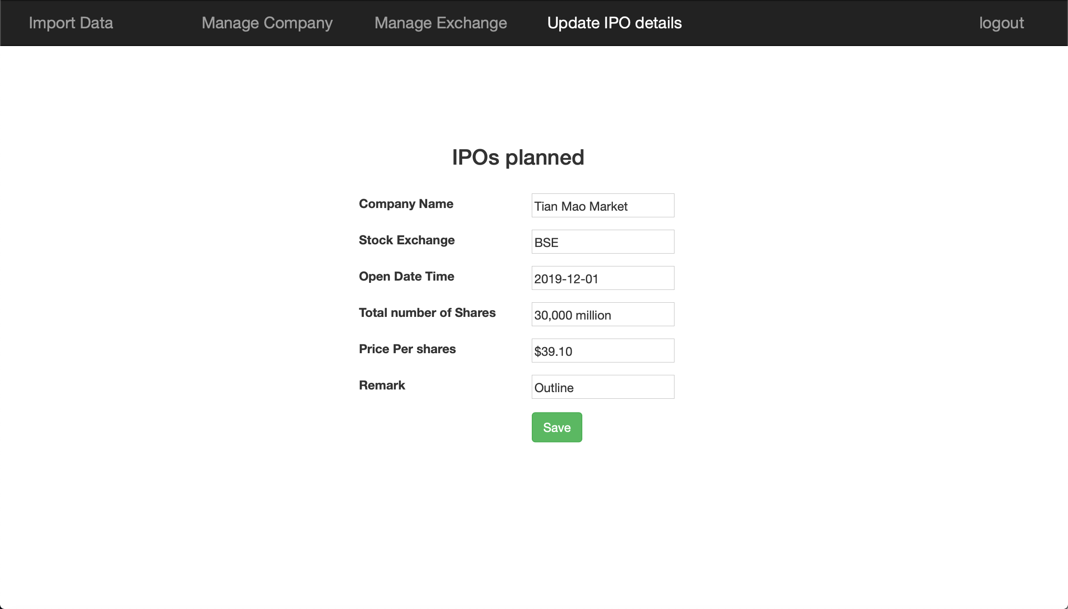
Login Screen
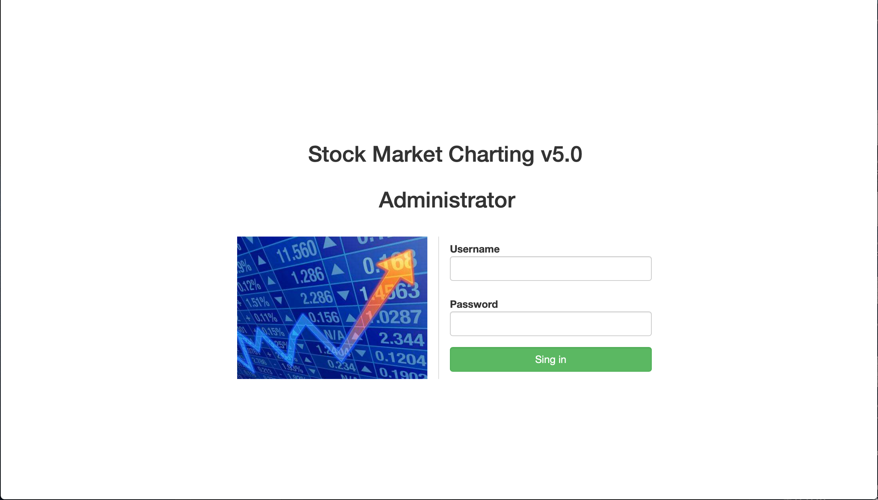

Import Data Screen
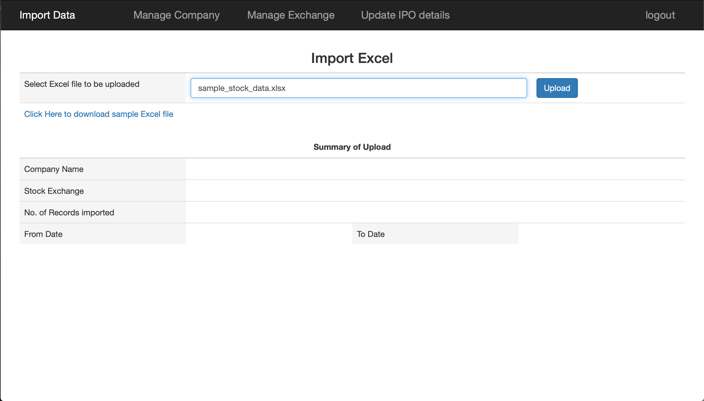
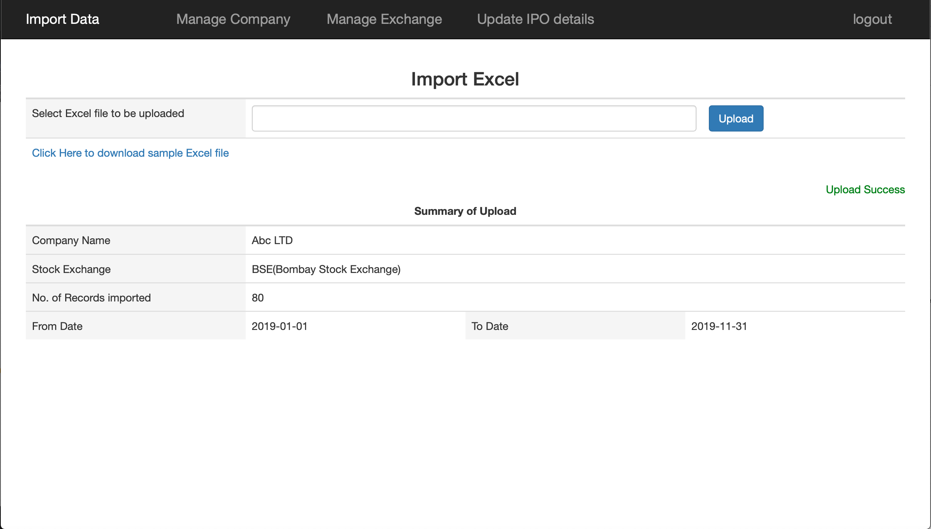

if fail, display Upload fail message in red color.

Manage Company Screen | Add New Company/Edit an existing Company Screen
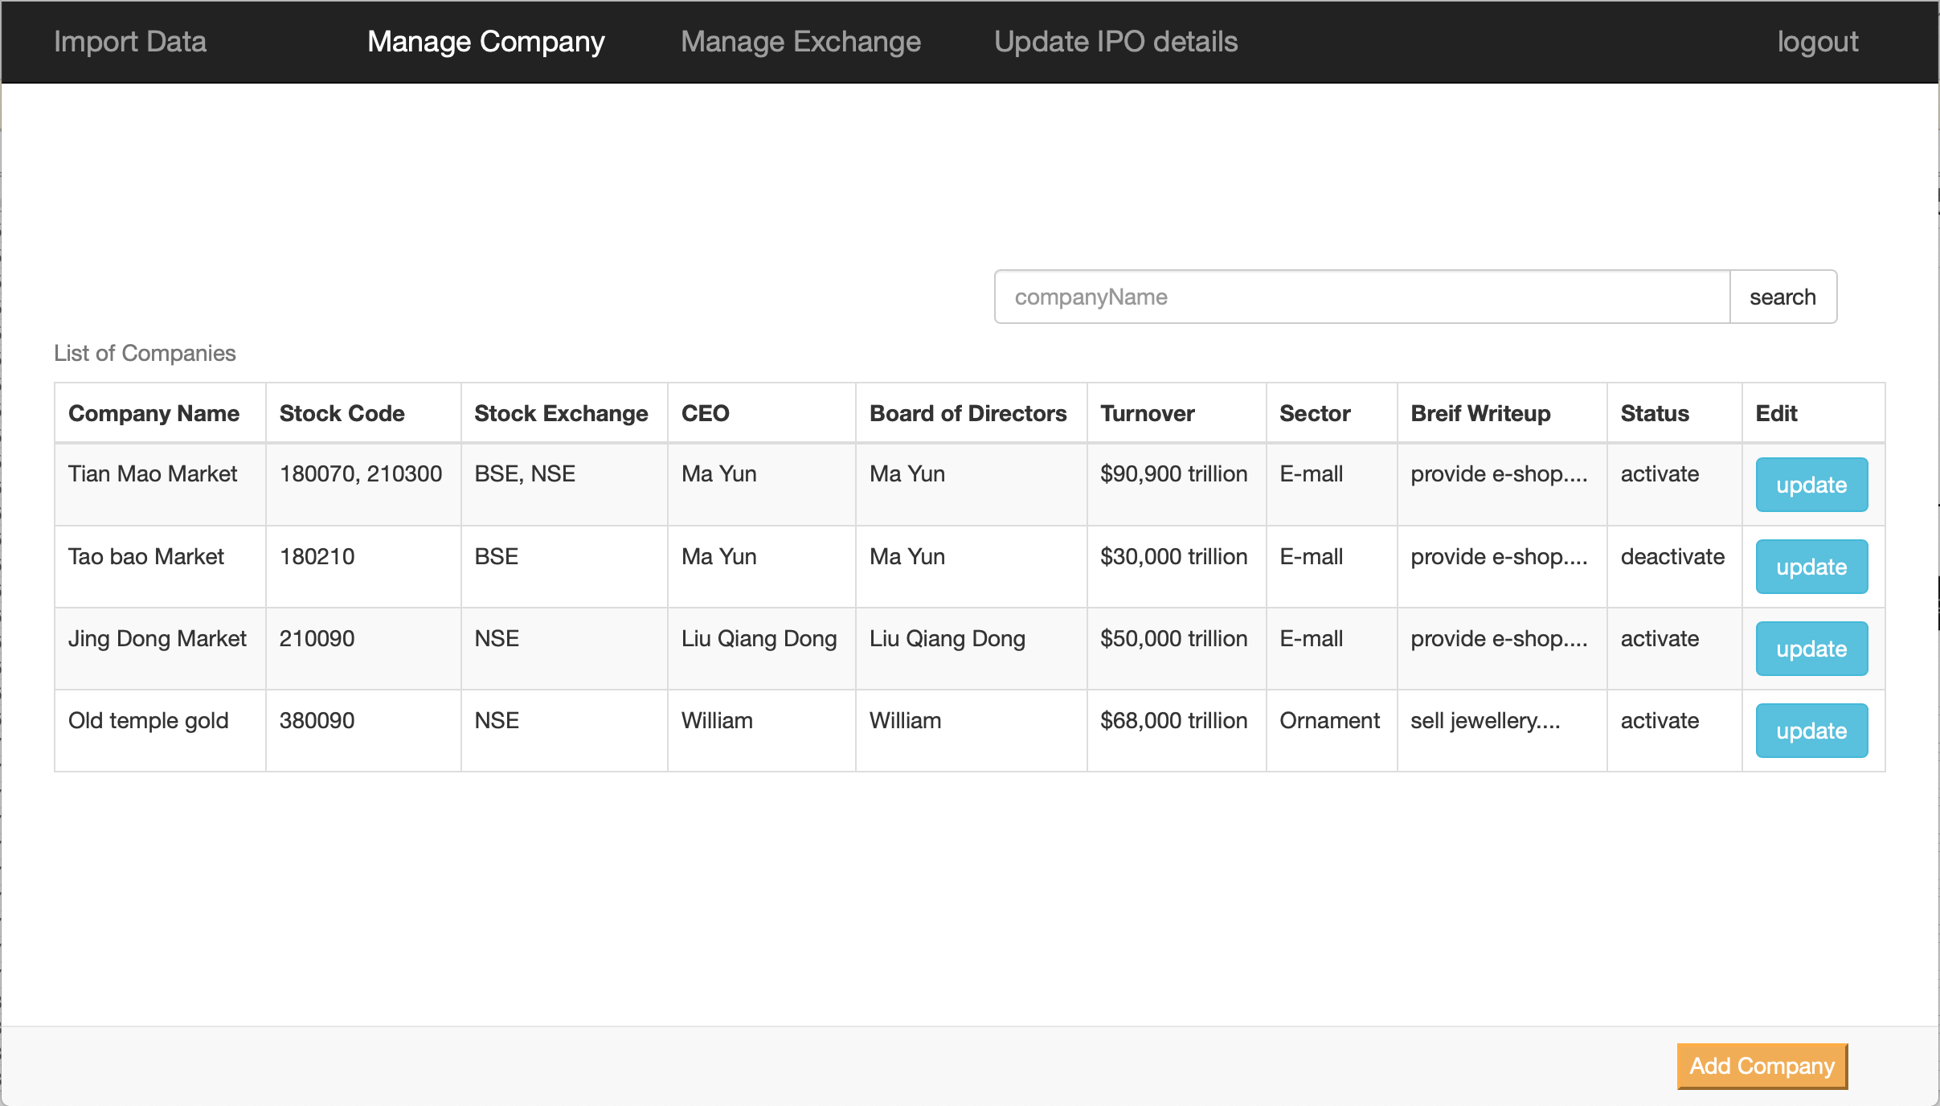
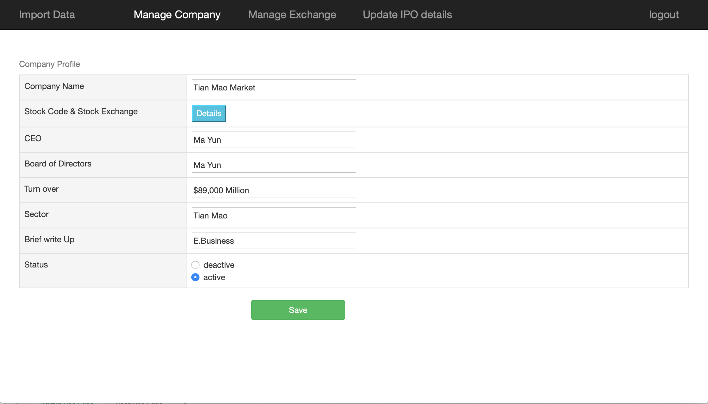
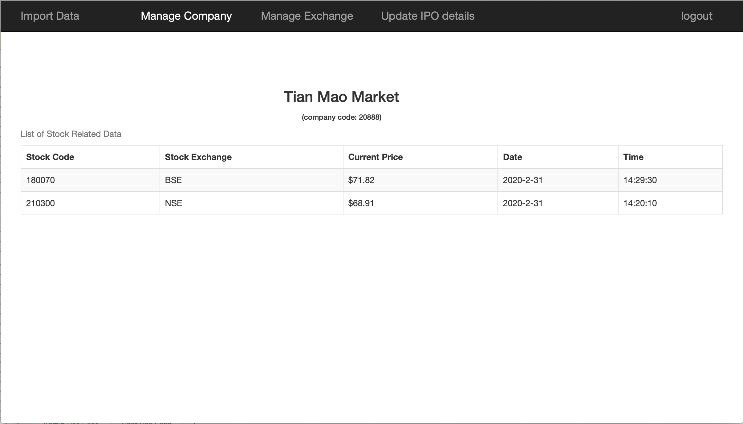

Manage Exchange Screen
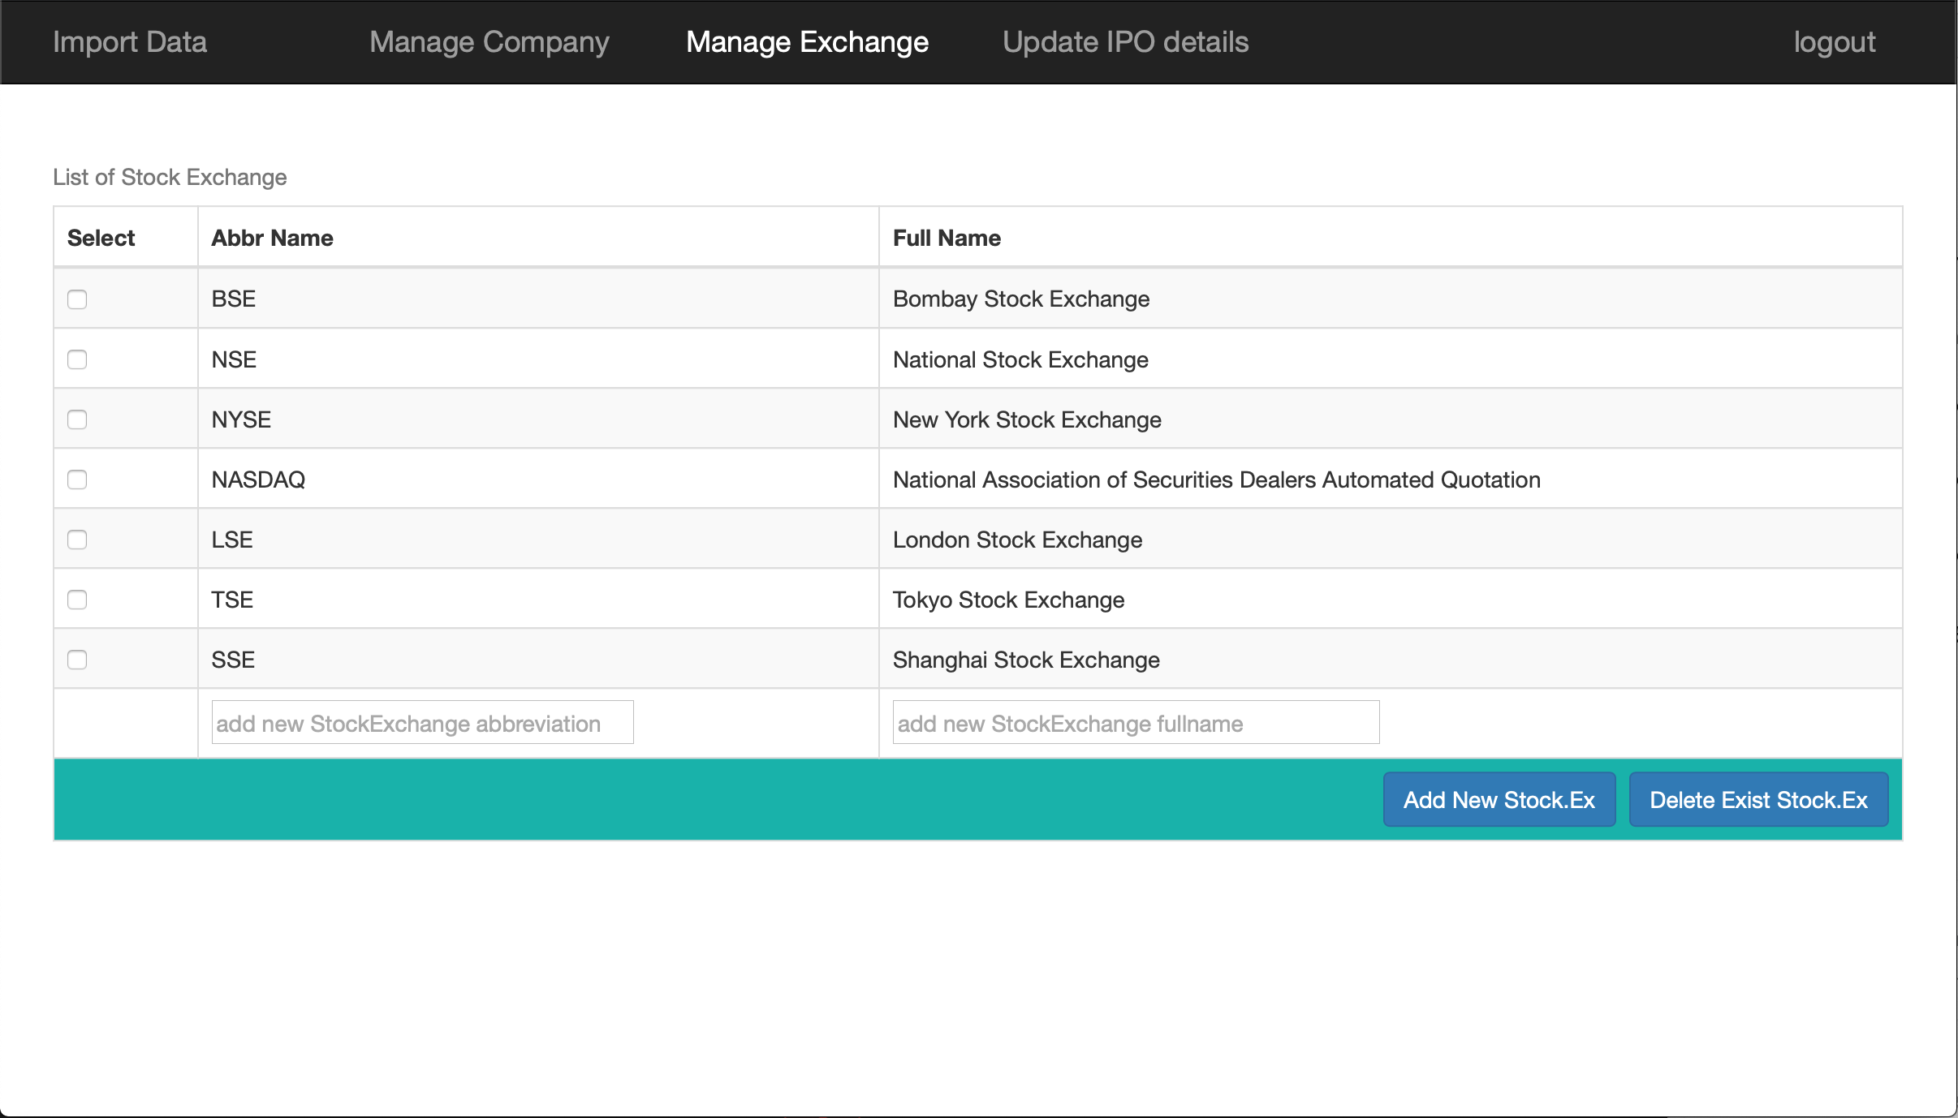

Update IPO details Screen | Add IPO/Edit IPO Screen

User Use Case
Login Screen |  | Sing Up Screen
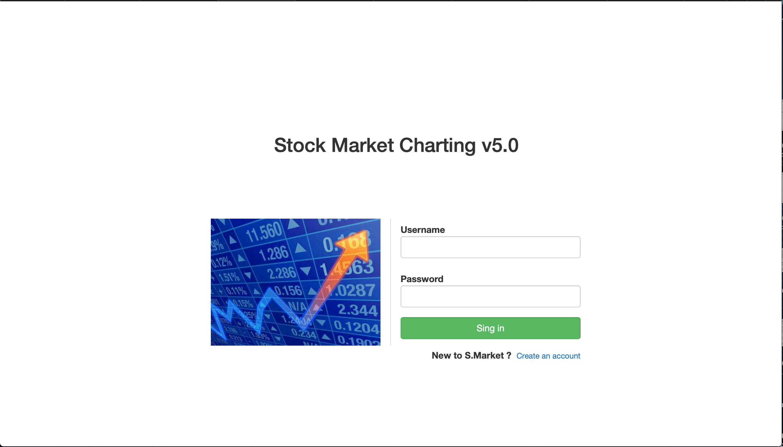
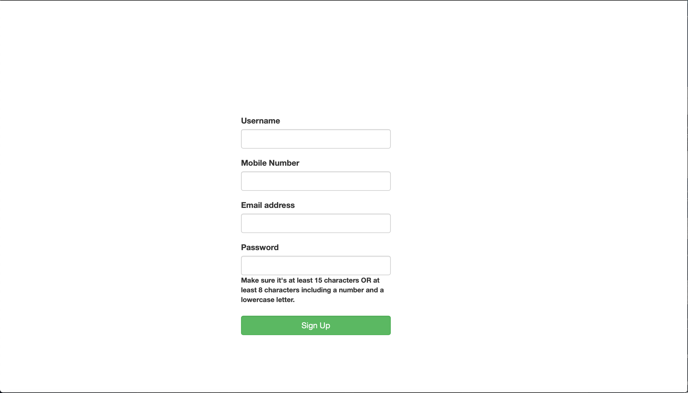

press this button to logout system

User Profile Screen
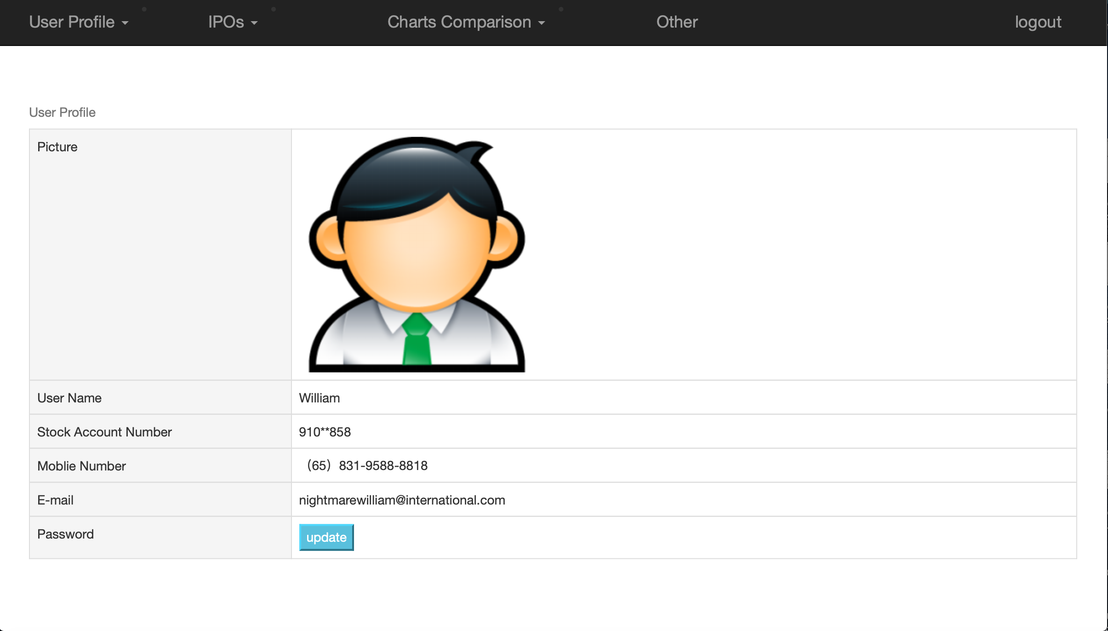
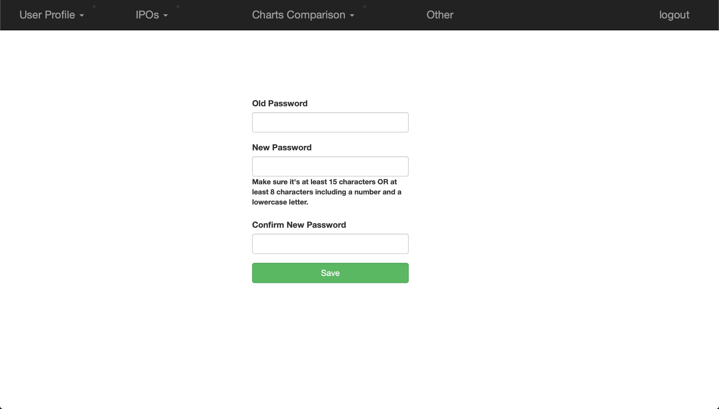

 | IPOs Screen
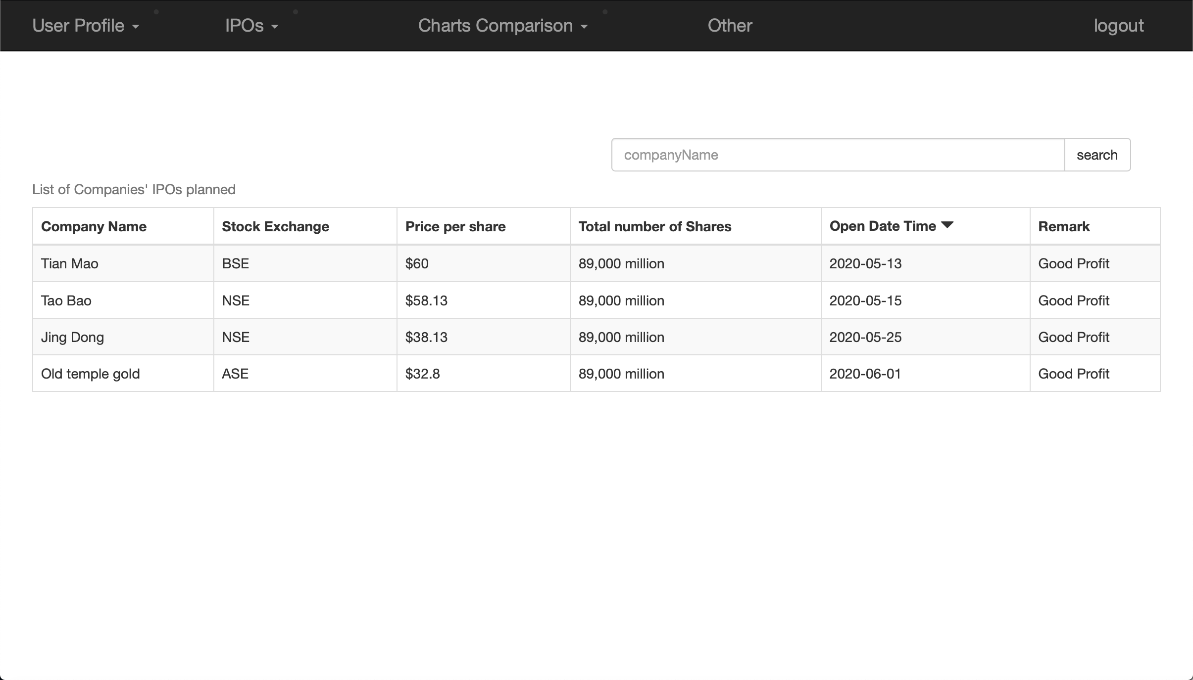
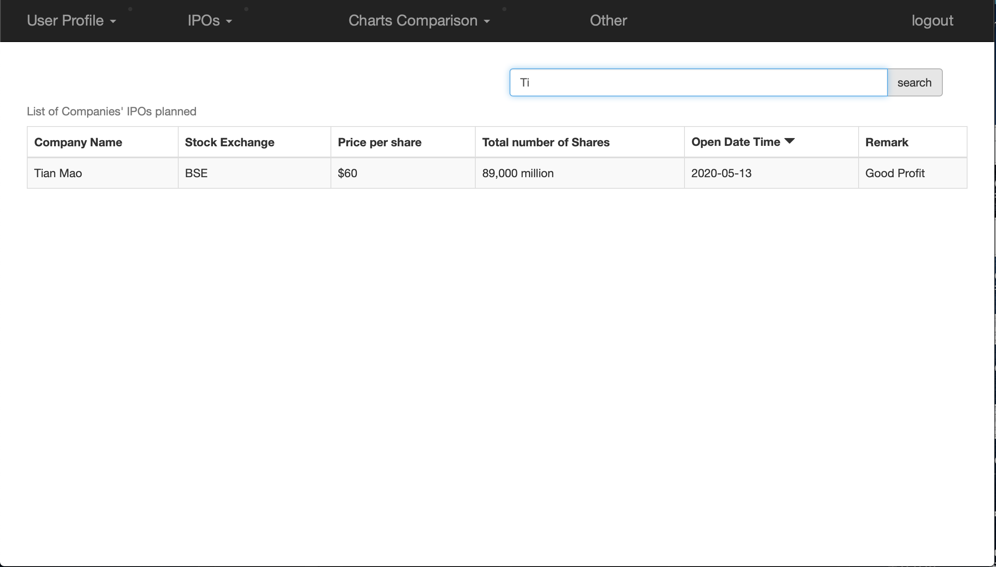

 | Charts Comparison Screen
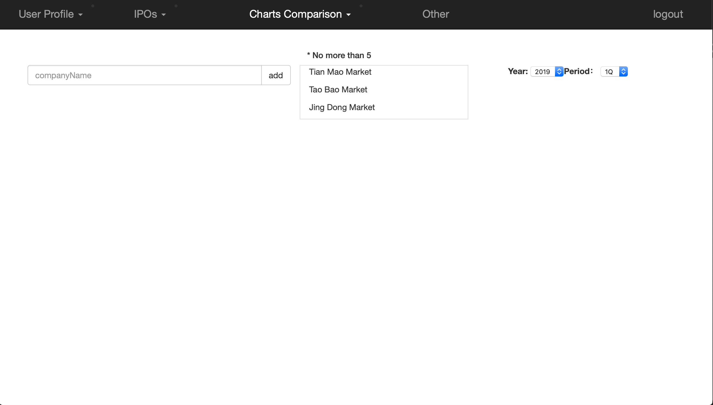
2019 1Quarter
 | Tian Mao | Tao Bao | Jing Dong
Jan | 100 | 200 | 500
Feb | 130 | 180 | 400
Mar | 150 | 300 | 200
April | 500 | 400 | 800

Chart Case
Company Name | Jan | Feb | Mar | April
Tian Mao | 100 | 130 | 150 | 500
Tao Bao | 200 | 180 | 300 | 400
Jing Dong | 500 | 400 | 200 | 800

2019 1Quarter

